New Year campaign
New Year Campaign

Month | Campaign | Impressions | Clicks | COV% | Std Error | Price
202101 | NewYear_V1 | 4430 | 57 | 1.29% | 17.00% | 44.3
202101 | NewYear_V2 | 13039 | 30 | 0.23% | 4.00% | 156.47 | This option is more than twice more expensive than Control | 253%

Overview with no hypothesis
NewYear_V2 produced almost twice of impressions than NewYear_V1 |  |  |  |  |  | 194%
NewYear_V2 performed almost 50% worse than NewYear_V1 in terms of clicks |  |  |  |  |  | -47%
NewYear_V2 conversion was around 80% worse than for NewYear_V1 |  |  |  |  |  | -82%

ASSUMPTION BASED ONLY ON COV: NewYear_V2 campaign should not be implemented in the future IF CHANGES IMPLEMENTED IN V2 OF THE TEST WERE STATISTICALLY SIGNIFICANT

Hypothesis testing
H0: Changes had no impact on COV%
HA: Changes had significant impact on COV%

 |  |  |  |  |  |  | *control group mean is less likely to accurately compare to real population mean than variant group mean

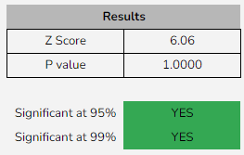

 |  |  | *Using 99% Confidence Interval: Changes implemented in campaign were statistically significant (Reject H0)

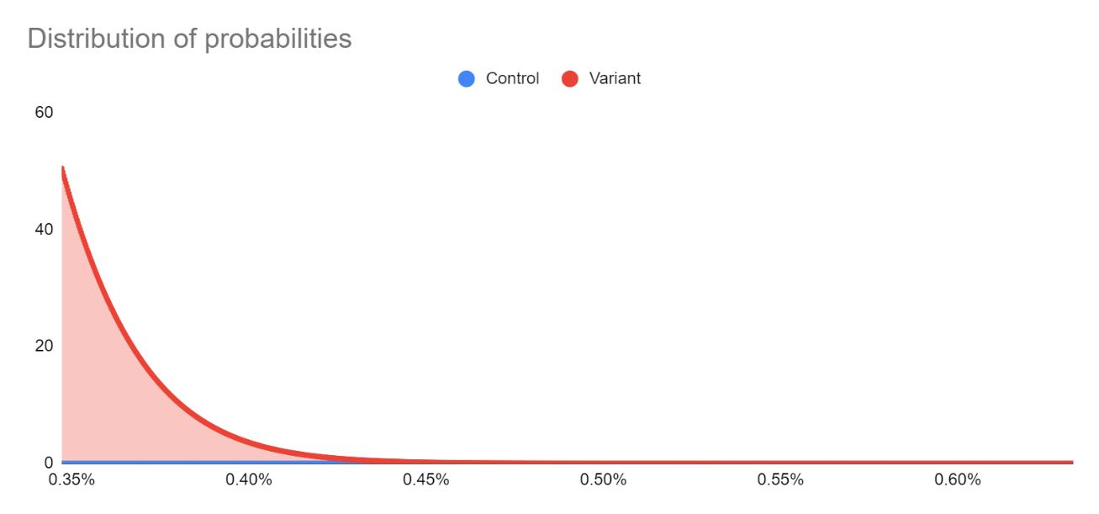

FINAL CONLUSION: Even though implementing changes have statistical significance, it is not reasonable to implement NewYear_V2, since it produces lower COV% AND requires more funds

Black Friday campaign
Black Friday campaign

Month | Campaign | Impressions | Clicks | COV% | Std Error | Price
202011 | BlackFriday_V1 | 8220 | 8 | 0.097% | 0.03% | 90.42
202011 | BlackFriday_V2 | 24276 | 24 | 0.099% | 0.02% | 364.14 | This option is more than three times more expensive than Control | 302.72%

Overview with no hypothesis
BlackFriday_V2 produced almost twice of impressions than BlackFriday_V1 |  |  |  |  |  | 195%
BlackFriday_V2 performed twice better than BlackFriday_V1 in terms of clicks |  |  |  |  |  | 200%
BlackFriday_V2 conversion was 2% better than for BlackFriday_V1 |  |  |  |  |  | 2%

ASSUMPTION BASED ONLY ON COV: BlackFriday_V2 campaign should be implemented in the future IF CHANGES IMPLEMENTED IN V2 OF THE TEST WERE STATISTICALLY SIGNIFICANT
*Considering the improvement and price to pay it is still not reasonable to implement campaign BlackFriday_V2

Hypothesis testing
H0: Changes had no impact on COV%
HA: Changes had significant impact on COV%

 |  |  |  |  |  |  | *control group mean is slightly less likely to accurately compare to real population mean than variant group mean

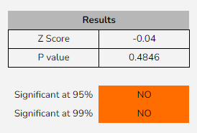

 |  |  | *Using 99% Confidence Interval: Changes implemented in campaign cannot be proved to be statistically significant (cannot reject H0)

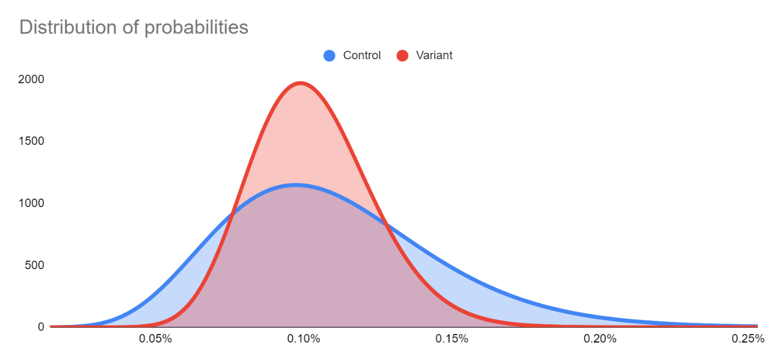

FINAL CONLUSION: We cannot be certain that implemented changes were statistically significant

